Sheet1
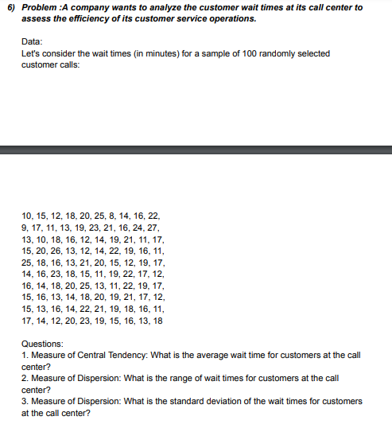
DATA |  |  |  |  | ANSWERS
10 | 13 | 25 | 16 | 15 | MEAN | 16.74
15 | 10 | 18 | 14 | 13 | RANGE | 19
12 | 18 | 16 | 18 | 16 | STANDARD DEVIATION | 4.1429506881
18 | 16 | 13 | 20 | 14
20 | 12 | 21 | 25 | 22
25 | 14 | 20 | 13 | 21
8 | 19 | 15 | 11 | 19
14 | 21 | 12 | 22 | 18
16 | 11 | 19 | 19 | 16
22 | 17 | 17 | 17 | 11
9 | 15 | 14 | 15 | 17
17 | 20 | 16 | 16 | 14
11 | 26 | 23 | 13 | 12
13 | 13 | 18 | 14 | 20
19 | 12 | 15 | 18 | 23
23 | 14 | 11 | 20 | 19
21 | 22 | 19 | 19 | 15
16 | 19 | 22 | 21 | 16
24 | 16 | 17 | 17 | 13
27 | 11 | 12 | 12 | 18

